Sheet1
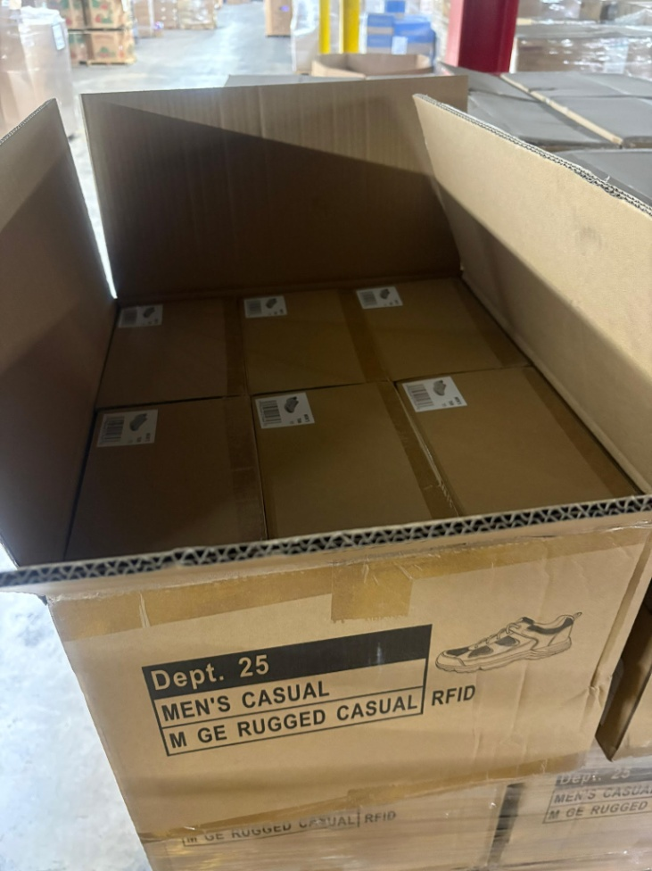
 | Units | Cost/unit | Total Sale Price | Total Retail Value
Boots | 10602
Shoes | 4572

 |  |  |  | $538,076.52
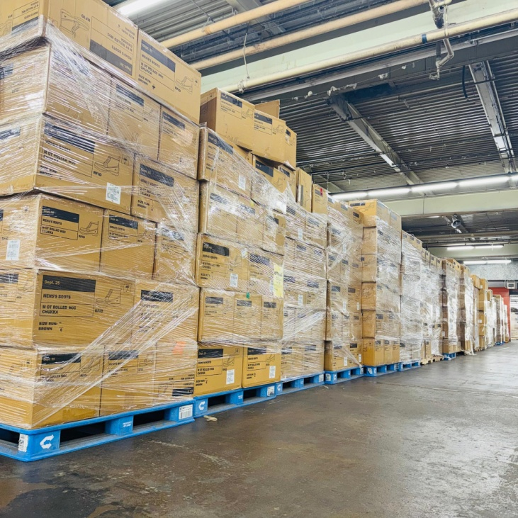
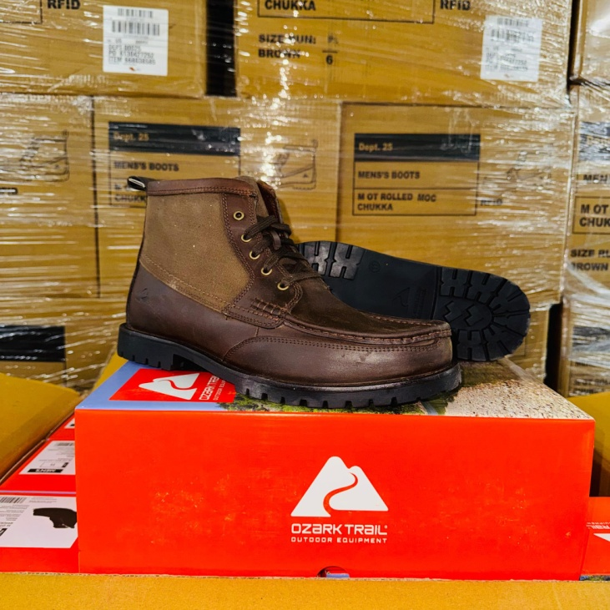
Shoes
 | Size | Case Count | Units | Retail | Ext Retail

 | 8 | 29 | 174 | $24.98 | $4,346.52
 | 8.5 | 101 | 606 | $24.98 | $15,137.88
 | 9 | 53 | 318 | $24.98 | $7,943.64
 | 9.5 | 60 | 360 | $24.98 | $8,992.80
 | 10 | 108 | 648 | $24.98 | $16,187.04
 | 10.5 | 162 | 972 | $24.98 | $24,280.56
 | 11 | 103 | 618 | $24.98 | $15,437.64
 | 11.5 | 60 | 360 | $24.98 | $8,992.80
 | 12 | 56 | 336 | $24.98 | $8,393.28
 | 13 | 30 | 180 | $24.98 | $4,496.40
 |  |  | 4572

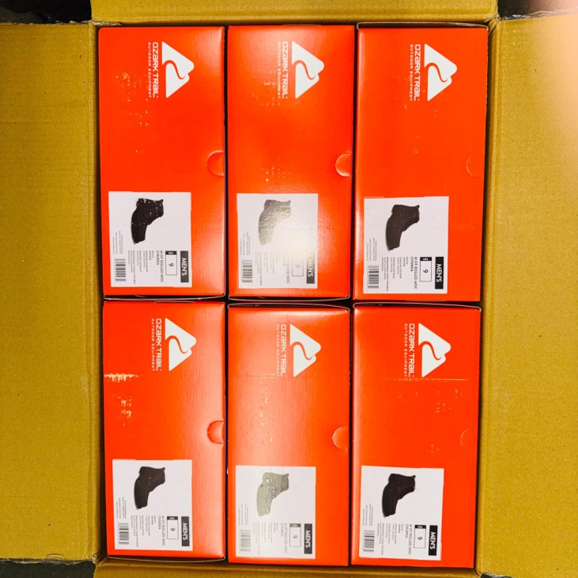
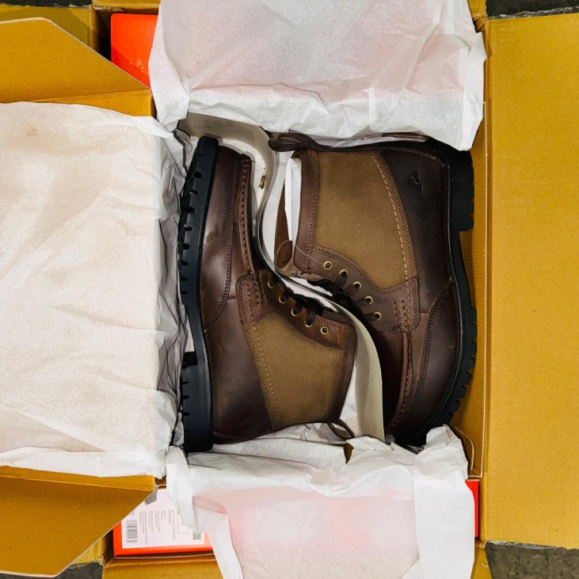
Boots
 | 7 | 239 | 1434 | $39.98 | $57,331.32
 | 8 | 365 | 2190 | $39.98 | $87,556.20
 | 9 | 270 | 1620 | $39.98 | $64,767.60
 | 9.5 | 174 | 1044 | $39.98 | $41,739.12
 | 10 | 209 | 1254 | $39.98 | $50,134.92
 | 10.5 | 186 | 1116 | $39.98 | $44,617.68
 | 11 | 120 | 720 | $39.98 | $28,785.60
 | 11.5 | 43 | 258 | $39.98 | $10,314.84
 | 12 | 104 | 624 | $39.98 | $24,947.52
 | 13 | 57 | 342 | $39.98 | $13,673.16
 |  |  | 10602
 |  |  |  |  | $538,076.52

 |  | Total Units | 15174

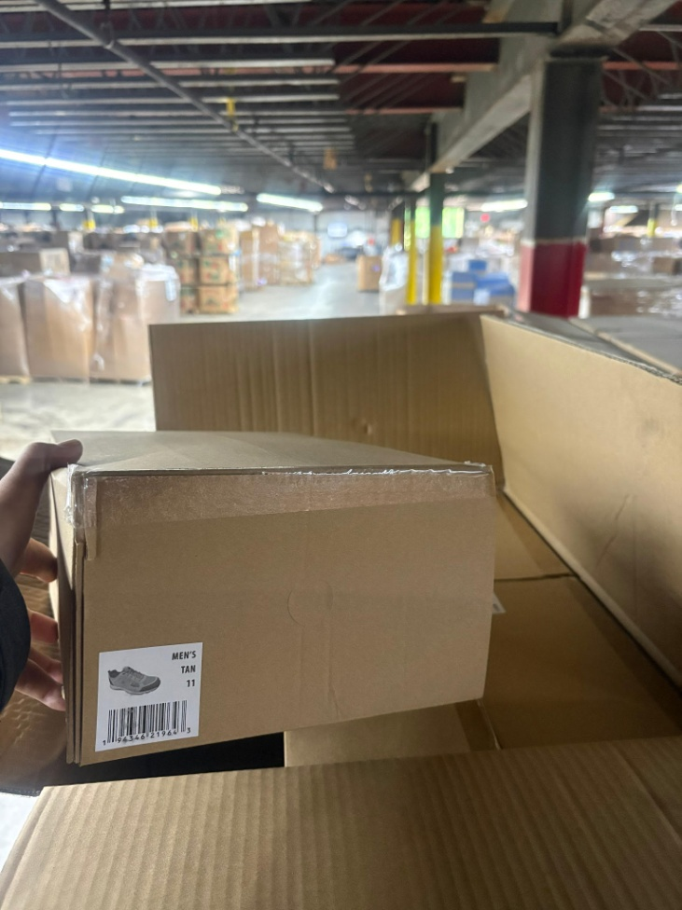
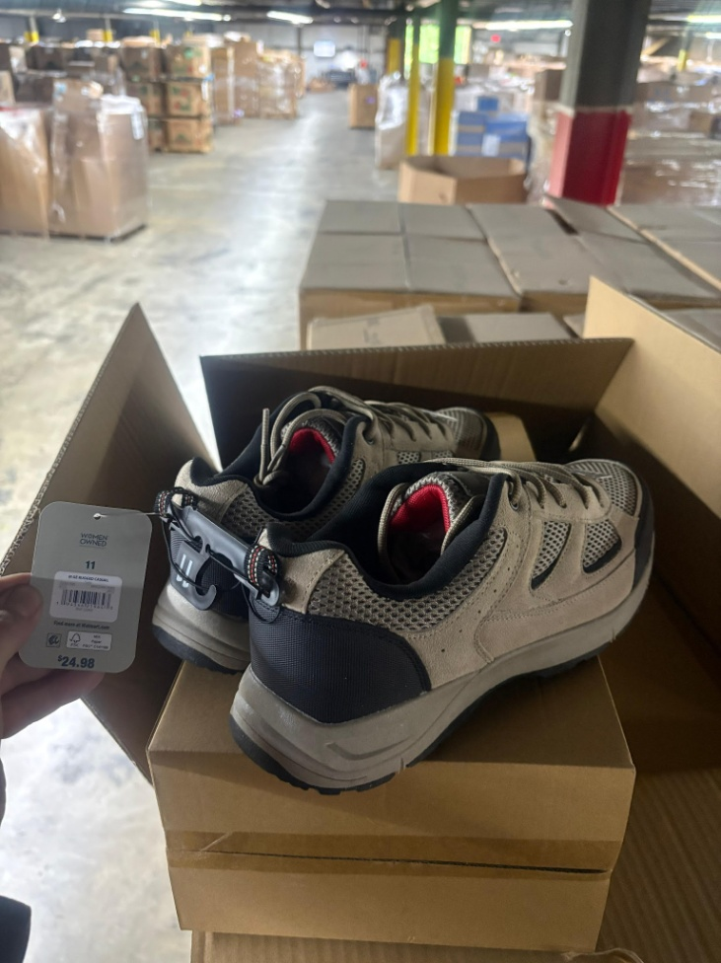
Ref #'s
Z10109
Z10110
Z10111
Z10130
91 total pallets

